Unit Mix
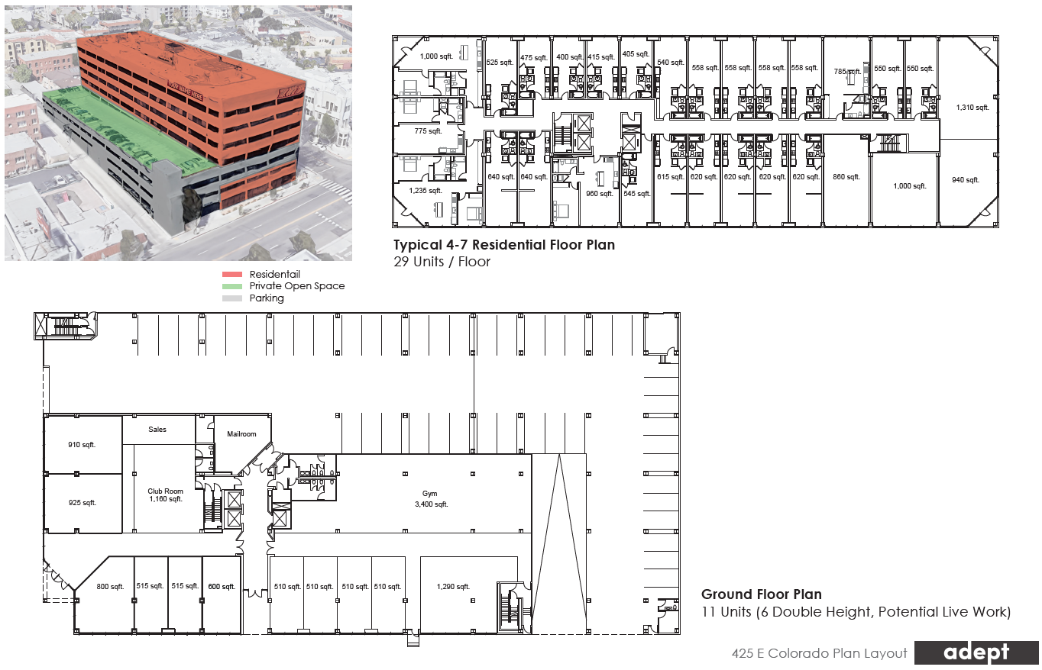
 | 2026-07-09

 | Unit Mix |  |  |  |  |  |  |  |  |  |  |  | Affordable Unit Rents by Unit Type*
 | Unit | # of | # of Beds | Bedroom | Avg. | Total | Avg. Rent | Avg. Rent | Avg. Rent | Total Mo. | Total Annual | Note | Studio | 1bd | 2bd | 3bd
 | Description | Units | Per Unit | Count | SF/Unit | NSF | Per Unit | Per Bed | Per SF | Rent | Rent |  | $1,400 | $1,650 | $2,150 | $2,800
 | Studio A | 8 | 1 | 8 | 560 | 4,480 | $2,500 | $2,500 | $4.46 | $20,000 | $240,000
 | Studio A - Affordable | 12 | 1 | 12 | 560 | 6,720 | $1,400 | $1,400 | $2.50 | $16,800 | $201,600
 | Studio B | 30 | 1 | 30 | 560 | 16,800 | $2,600 | $2,600 | $4.64 | $78,000 | $936,000
 | Studio B - Affordable | 10 | 1 | 10 | 560 | 5,600 | $1,400 | $1,400 | $2.50 | $14,000 | $168,000
 | Studio C | 30 | 1 | 30 | 600 | 18,000 | $2,700 | $2,700 | $4.50 | $81,000 | $972,000
 | 1 Bed / 1 Bath | 6 | 1 | 6 | 785 | 4,710 | $2,800 | $2,800 | $3.57 | $16,800 | $201,600
 | 1 Bed / 1 Bath - A (Corner unit) | 13 | 1 | 13 | 970 | 12,610 | $3,000 | $3,000 | $3.09 | $39,000 | $468,000
21.6 | 1 Bed / 1 Bath - B (Regular Unit) | 16 | 1 | 16 | 899 | 14,380 | $2,900 | $2,900 | $3.23 | $46,400 | $556,800
 | 2 Bed / 2 Bath | 8 | 2 | 16 | 1,100 | 8,800 | $3,800 | $1,900 | $3.45 | $30,400 | $364,800
 | Live Work Loft - A | 3 | 1 | 3 | 1,100 | 3,300 | $3,850 | $3,850 | $3.50 | $11,550 | $138,600 | Assuming 400 SF of mezz level
 | Live Work Loft - B | 7 | 1 | 7 | 774 | 5,420 | $3,000 | $3,000 | $3.87 | $21,000 | $252,000 | Assuming 250 SF of mezz level
 | Live Work Loft - C | 1 | 2 | 2 | 1,100 | 1,100 | $4,000 | $2,000 | $3.64 | $4,000 | $48,000
 | Total / Wtd. Avg. | 144 | 1 | 153 | 708 | 101,920 | $2,632 | $2,477 | $3.72 | $378,950 | $4,547,400
 |  |  |  |  |  |  |  |  | $3.72 |  | $4,560,757 | Rough goal

 |  |  |  |  |  |  |  |  |  |  | $146.18

